201506
TITLE | REPORT TEST NEW BOND G06-0003 OF MODEL BRS-201506 |  |  |  |  |  |  |  |  |  |  |  | Dept | ME
 |  |  |  |  |  |  |  |  |  |  |  |  | Date | 2024-05-03
 |  |  |  |  |  |  |  |  |  |  |  |  | Maker | Thao
1. Purpose test
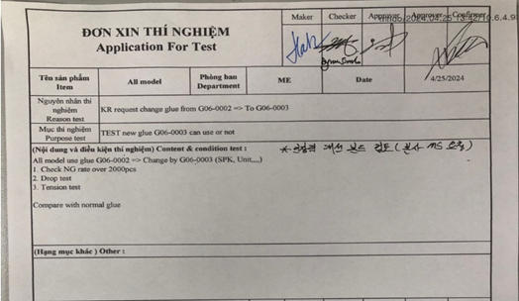
- Test new Bond G06-0003 can or can not use

2. Content of testing
- Use new bond G06-0003 to make sample at Sub Yoke and checking
++ NG rate vision Yoke, NG rate of function
++ Check decap bond MG+PT, MG+Yoke
++ Tension test CMG+Yoke
++ Drop test Yoke

3.Result test

 | 1.RESULT CHECKING VISION
 | Date | Line | Process | Item | Input | OK | NG |  |  |  | Total NG | NG rate
 |  |  |  |  |  |  | SM damage | SM separate | B-PT damage | PT Gap
 | 2024-05-02 | E2-4A | SM VISION | New Bond G06-0003 | 2540 | 2537 | 2 | 0 | 1 | 0 | 3 | 0.1%
 |  |  |  | Normal Bond G06-0002 | 3200 | 3194 | 6 | 0 | 0 | 0 | 6 | 0.2%
 |  |  | YOKE VISION | New Bond G06-0003 | 2513 | 2511 | 0 | 0 | 0 | 2 | 2 | 0.1%
 |  |  |  | Normal Bond G06-0002 | 1720 | 1719 | 0 | 0 | 0 | 1 | 1 | 0.1%
 | 2. RESULT CHECK SEPARATE GLUE
 | Item | B-PT + S-MG ( Spec 80% ~ 90% ) |  |  |  | B-PT + C-MG ( Spec ≥ 80% )
 |  | New Bond G06-0003 |  | Normal Bond G06-0002 |  | New Bond G06-0003 |  | Normal Bond G06-0002 |  | New Bond G06-0003 |  | Normal G06-0002
 | Pic | 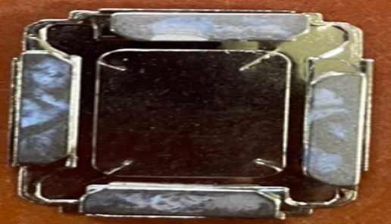 |  | 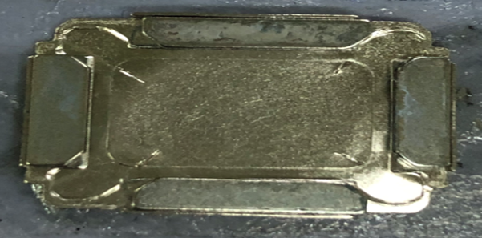 |  |  |  | 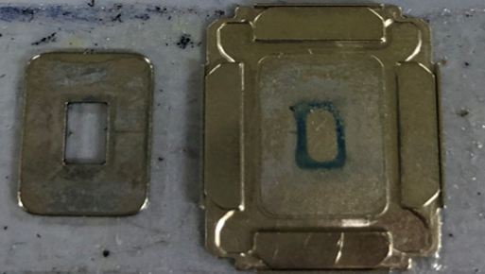 |  | 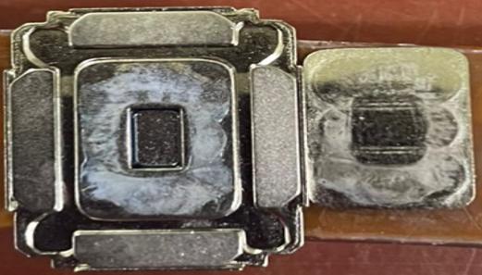 |  | 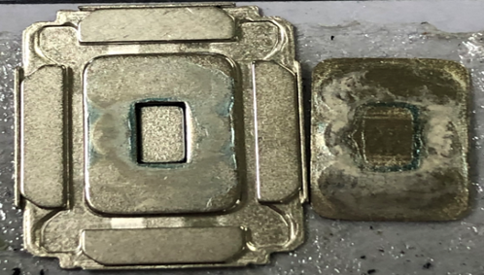

 | Result | OK |  | OK |  | OK |  | OK |  | OK |  | OK

 | No | Date | Line | Item | Q'ty check | OK | NG | NG Rate
 | 1 | 2024-05-02 | E2-4A | New Bond G06-0003 | 8 | 8 | 0 | 0.0%
 | 2 |  |  | Normal Bond G06-0002 | 8 | 8 | 0 | 0.0%
 | 3. RESULT CHECKING TENSION
 | RESULT CHECKING TENSION
 | No | Long S-MG |  | Short - S-MG |  | YOKE
 |  | New Bond G06-0003 | Normal Bond G06-0002 | New Bond G06-0003 | Normal Bond G06-0002 | New Bond G06-0003 | Normal Bond G06-0002
 | 1 | 56.5 | 50.06 | 45.75 | 41.4 | 186.7 | 71.6
 | 2 | 50.13 | 48.1 | 42.51 | 38.6 | 188.8 | 116.1
 | 3 | 51.7 | 47.77 | 40.34 | 39.69 | 172.2 | 170.7
 | 4 | 61.45 | 52.02 | 41.35 | 40.49 | 179.4 | 117.8
 | 5 | 54.87 | 66.34 | 42.54 | 40.03 | 166.5 | 174.2
 | 6 | 53.96 | 51.67 | 48.28 | 42.11 | 186.7 | 182.2
 | 7 | 52.39 | 50.37 | 37.33 | 36.97 | 191.8 | 153.8
 | 8 | 55.21 | 55.82 | 43.13 | 41.04 | 171.8 | 162.5
 | 9 | 51.53 | 39.38 | 39.11 | 37.04 | 172.4 | 148.1
 | 10 | 60.11 | 49.77 | 44.25 | 40.0 | 176.9 | 147.3
 | 11 | 54.42 | 46.09 | 40.47 | 40.73 | 185.2 | 117.2
 | 12 | 57.57 | 51.19 | 41.18 | 37.22 | 184.1 | 125.8
 | Min | 50.13 | 39.38 | 37.33 | 36.97 | 166.5 | 71.6
 | Max | 61.45 | 66.34 | 48.28 | 42.11 | 191.8 | 182.2
 | AVG | 55.0 | 50.7 | 42.2 | 39.6 | 180.2 | 140.6

 | No | Date | Line | Item |  | Q'ty check | OK | NG | NG Rate
 | 1 | 2024-05-02 | E2-4A | New Bond G06-0003 |  | 8 | 8 | 0 | 0.0%
 | 2 |  |  | Normal Bond G06-0002 |  | 8 | 8 | 0 | 0.0%
 | 4.RESULT CHECKING DROP TEST
 | No | Date | Line | Item |  | Q'ty check | OK | NG | NG Rate
 | 1 | 2024-05-02 | E2-4A | New Bond G06-0003 |  | 8 | 8 | 0 | 0.0%
 | 2 |  |  | Normal Bond G06-0002 |  | 8 | 8 | 0 | 0.0%
 | 5.RESULT CHECKING FUNCTION
 | Date | Type | Input | OK | Sigma |  |  |  | Hearing |  | Total NG | Total NG rate
 |  |  |  |  | SPL | THD | SPL+THD | SPL+THD+F0 | Noise | Touch
 | 2024-05-04 | New Bond G06-0003 | 2033 | 1944 | 0 | 0 | 0 | 0 | 24 | 65 | 89 | 4.4%
 |  |  |  |  | 0.0% | 0.0% | 0.0% | 0.0% | 27.0% | 73.0%
 |  | Normal Bond G06-0002 | 2507 | 2395 | 0 | 0 | 1 | 0 | 34 | 77 | 112 | 4.5%
 |  |  |  |  | 0.0% | 0.0% | 0.9% | 0.0% | 30.4% | 68.8%

4. Decision
- Result Test New Bond G06-0003 :
- Result checking Drop test and separate glue , tension All OK
- Result checking Function NG 112/2507pcs rate 4.5% same same NG normal 89/2033pcs rate 4.4%
=> CAN USE

